1. Title Page
[Project Name]

Project Name: Instacart Grocery Basket Analysis
Date: 8/May/2023
Analyst Name: Daniel Nunez Ortiz

Contents:
Population Flow
Consistency checks
Wrangling steps
Column derivations
Visualizations
Recommendations

2. Population Flow
Title page

Population flow

Exclusion flag
Condition: max_order < 5
Obervations to be removed: 14400445
Final total count of order_products_all: 30959687

Orders_products_combined
Orders_products_merged
Orders_products_all

Total: 32399732
Total: 32434489
Total: 32399732

1.) The grey boxes in the first row of the population flow represent the original data sets as they were when you downloaded them. In the Total fields you need to add the count of the rows when you imported the data set into Jupyter.
2.) The second row of boxes (coloured) represents the data sets after you manipulated them, e.g., removed missing values and duplicates. In the Total fields you need to add the count of the rows after conducting these operations. This offers a visual oveview of how the data flows throughout the data consistency checks.
3.) The third row, where also the arrows are coloured, represents the merges you performed between the datasets. In the Total fields you need to add the count of the rows in the merged datasets, so that you end up with the final dataset (in the red box). Keep in mind the final dataset should be without exclusions (based on the exclusion flag).

3. Consistency checks
 |  |  |  | Title page
Consistency checks

Dataset | Missing values | Missing values treatment | Duplicates
orders | Days_prior_order | Changed to integer '0' | none
products | product_name, 16 | Entries removed | 5 found
orders_products_prior | None |  | None
customers | first_name, 11259 | Ignore | None

4. Wrangling steps
 |  |  |  | Title page
Wrangling steps

Columns dropped | Columns renamed | Columns' type changed | Comment/Reason
eval_set |  |  | Irrelevant for the analysis
 | order_dow |  | To order_of_the_week, self-explanatory name
 |  | order_id | To string, values doesn't need to be included in the analysis as a numeric variable.
 |  | orders_day_of_the_week | To string, values doesn't need to be included in the analysis as a numeric variable.
 |  | user_id | To string, values doesn't need to be included in the analysis as a numeric variable.
 | department_id |  | Adding apropiate column indexes (header)
 | department |  | Adding apropiate column indexes (header)
fisrt_name |  |  | Privacy policy
surname |  |  | Privacy policy
_merge' columns created |  |  | Irrelevant for the analysis once the merge had been checked.

5. Column derivations
 |  |  |  | Title page

Column derivations and aggregations

In this tab you should add tables below that the frequences of flags/label variables that you produced after deriving them. NB: don't do this for continuous variables, only for flags.
Dataset | New column | Column/s it was derived from | Conditions
instacart_data_set | busiest_day |  | result = [] for value in df_ords_prods["orders_day_of_the_week"]: if value == 'Saturday': result.append("Busiest day") elif value == 'Wednesday': result.append("Least busy") else: result.append("Regularly busy")
instacart_data_set | busiest_days |  | result2 = [] for value in df_ords_prods["orders_day_of_the_week"]: if value == 'Saturday' or value == 'Sunday': result2.append("Busiest days") elif value == 'Wednesday' or value =='Tuesday': result2.append("Slowest days") else: result2.append("Regularly busy") df_ords_prods['busiest_days'] = result2
instacart_data_set | price_range_loc |  | df_ords_prods.loc[(df_ords_prods['prices'] <= 15) & (df_ords_prods['prices'] > 5), 'price_range_loc'] = 'Min-range product' df_ords_prods.loc[df_ords_prods['prices'] > 15, 'price_range_loc'] = 'High-range product' df_ords_prods.loc[df_ords_prods['prices'] <= 5, 'price_range_loc'] = 'Low-range product'
instacart_data_set | loyalty_flag |  | # Assign a "loyalty" label to a user ID df_ords_prods.loc[df_ords_prods['max_order'] > 40, 'loyalty_flag'] = 'Loyal customer' df_ords_prods.loc[(df_ords_prods['max_order'] <= 40) & (df_ords_prods['max_order'] > 10), 'loyalty_flag'] = 'Regular customers' df_ords_prods.loc[df_ords_prods['max_order'] <= 10, 'loyalty_flag'] = 'New customer'
instacart_data_set | busiest_period_of_day |  | result_per_hours = [] for value in df_ords_prods["order_hour_of_day"]: if value >= 9 and value <= 16: result_per_hours.append("Most orders") elif value == 23 or (value <= 6 and value >= 0): result_per_hours.append("Fewest orders") else: result_per_hours.append("Average orders") # Creating a new column "busiest_period_of_day" df_ords_prods['busiest_period_of_day'] = result_per_hours
 | max_orders |  | df_ords_prods['max_order'] = df_ords_prods.groupby(['user_id'])['order_number'].transform(np.max)
 | average_spend |  | df_ords_prods['average_spend'] = df_ords_prods.groupby(['user_id'])['prices'].transform(np.mean)
 | spender_flag |  | df_ords_prods.loc[(df_ords_prods['average_spend'] < 10), 'spender_flag'] = 'Low spender' df_ords_prods.loc[(df_ords_prods['average_spend'] >= 10), 'spender_flag'] = 'High spender'
 | user_median |  | df_ords_prods['user_median'] = df_ords_prods.groupby(['user_id'])['days_since_prior_order'].transform(np.median)
 | frequency_flag |  | df_ords_prods.loc[(df_ords_prods['user_median'] > 20), 'frequency_flag'] = 'Non-frequent customer' df_ords_prods.loc[(df_ords_prods['user_median'] > 10) & (df_ords_prods['user_median'] <= 20), 'frequency_flag'] = 'Regular customer' df_ords_prods.loc[(df_ords_prods['user_median'] < 20), 'frequency_flag'] = 'Frequent customer'
 | region |  | df_final.loc[df_final.state.isin(['Maine', 'New Hampshire', 'Vermont', 'Massachusetts', 'Rhode Island', 'Connecticut', 'New York', 'Pennsylvania', 'New Jersey']), 'region'] = 'Northeast' df_final.loc[df_final.state.isin(['Wisconsin', 'Michigan', 'Illinois', 'Indiana', 'Ohio', 'North Dakota', 'South Dakota', 'Nebraska', 'Kansas', 'Minnesota', 'Iowa', 'Missouri']), 'region'] = 'Midwest' df_final.loc[df_final.state.isin(['Delaware', 'Maryland', 'District of Columbia', 'Virginia', 'West Virginia', 'North Carolina', 'South Carolina', 'Georgia', 'Florida', 'Kentucky', 'Tennessee', 'Mississippi', 'Alabama', 'Oklahoma', 'Texas', 'Arkansas', 'Louisiana']), 'region'] = 'South' df_final.loc[df_final.state.isin(['Idaho', 'Montana', 'Wyoming', 'Nevada', 'Utah', 'Colorado', 'Arizona', 'New Mexico', 'Alaska', 'Washington', 'Oregon', 'California', 'Hawaii']), 'region'] = 'West'
 | exclusion_flag |  | result = [] for x in df_final['max_orders']: if x < 5: result.append('Low activity') else: result.append('High activity') df_final['exclusion_flag'] = result
 | age_range |  | young = [] for x in df_final['age']: if x <= q_1: young.append('18-33') elif x > q_1 and x <= q_2: young.append('34-49') elif x > q_2 and x <= q_3: young.append('50-65') elif x > q_3: young.append('66+') else: young.append('Unkonwn') df_final['age_range'] = young
 | Family_size |  | parent = [] for y in df_final['number_of_kids']: if y == 0: parent.append('Single adult') elif y == 1: parent.append('Reg family, 1 depnds') elif y == 2: parent.append('Reg family, 2 depnds') else: parent.append('Big family, 3+ depnds') df_final['Family_size'] = parent
 | income_group |  | low = df_final.income.quantile(0.25) median = df_final.income.quantile(0.50) high = df_final.income.quantile(0.75) in_group = [] for i in df_final['income']: if i < low: in_group.append('Low income') elif i >= low and i < median: in_group.append('Low-avg income') elif i >= median and i < high: in_group.append('High-avg income') elif i >= high: in_group.append('High income') else: in_group.append('Unknown') df_final['income_group'] = in_group
 | parent_group |  | df_final.loc[(df_final['age'] <= 30) & (df_final['number_of_kids'] > 0), 'parent_group'] = 'Young parent' df_final.loc[(df_final['age'] > 30) & (df_final['number_of_kids'] > 0), 'parent_group'] = 'Regular parent' df_final.loc[(df_final['number_of_kids'] == 0), 'parent_group'] = 'Without dependents'

6. Visualizations
 |  |  |  | Title page

Visualizations

In this tab you should include all the visualizations from Exercises 4.9 and 4.10, alongside the questions from the project brief that they answer. Include any commentary on the relationship between different variables.

The sales team needs to know what the busiest days of the week and hours of the day are (i.e., the days and times with the most orders) in order to schedule ads at times when there are fewer orders

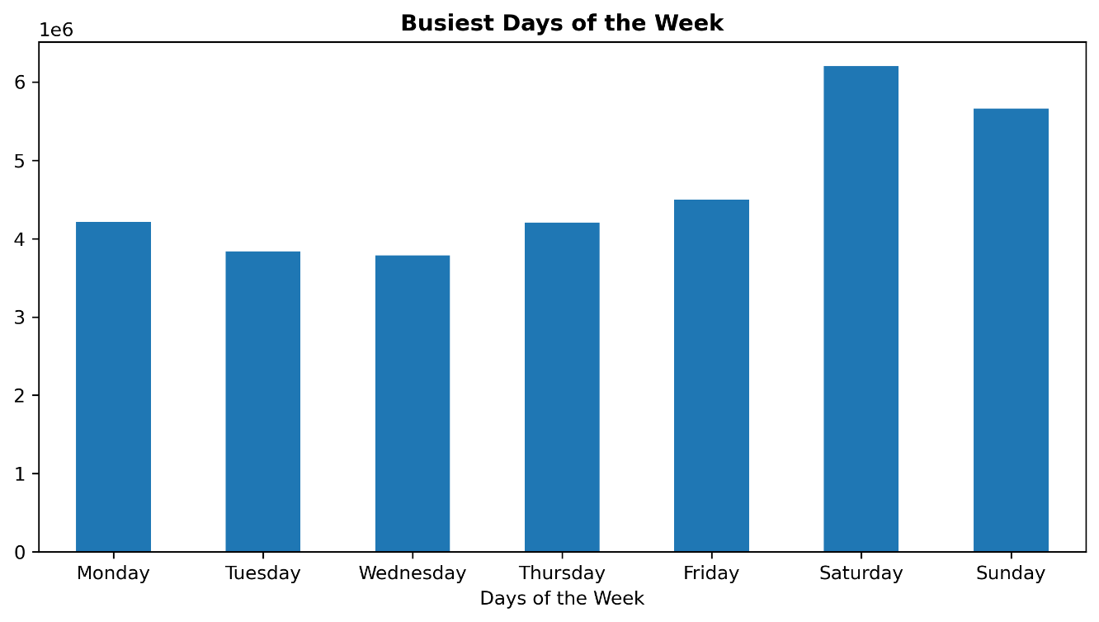

Busiest days of the week: Saturday & Sunday
Slowest days of the week:
Tuesday & Wednesday
 |  |  |  | Day | orders_day_of_the_week
 |  |  |  | Saturday | 6203329
 |  |  |  | Sunday | 5659298
 |  |  |  | Friday | 4495887
 |  |  |  | Monday | 4213105
 |  |  |  | Thursday | 4205076
 |  |  |  | Tuesday | 3839865
 |  |  |  | Wednesday | 3783172

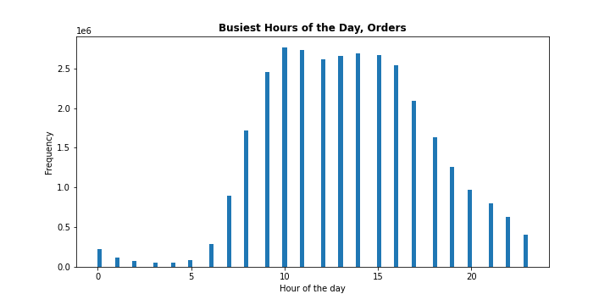

The histogram shows that most of the orders had been made between 8 am and 6 pm, and few orders between 11 pm and 6 am.
 |  |  | Hours | 10 | 11 | 14 | 15 | 13 | 12 | 16 | 9 | 17 | 8 | 18 | 19 | 20 | 7 | 21 | 22 | 23 | 6 | 0 | 1 | 5 | 2 | 4 | 3
 |  |  | Orders | 2761333 | 2735694 | 2688728 | 2661718 | 2660570 | 2618104 | 2534744 | 2453842 | 2087273 | 1717863 | 1636226 | 1258076 | 976000 | 890923 | 795528 | 634159 | 402272 | 290450 | 218742 | 115683 | 87944 | 69360 | 53232 | 51268

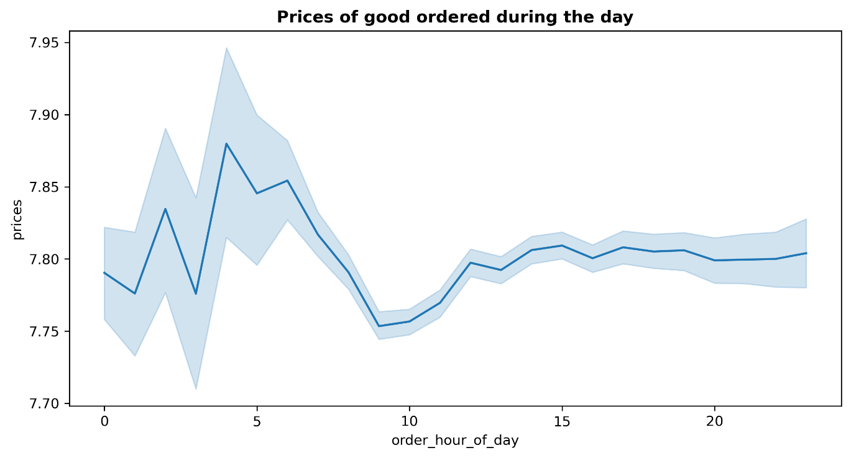
The line chart demonstrate that customers who does their purchase between 4 am and 6 am tend to buy more expensive items.
Customers customers who made the orders between 8 am and 11 am tend to buy cheaper items.
The prices bought between 12 pm and 1 am keeps a fairly stable average price per item ordered of 7.80 approx..

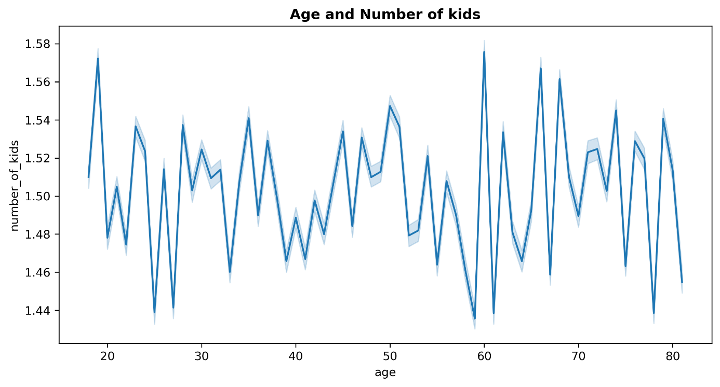

There is not direct correlation between Customers' age and the number of dependents

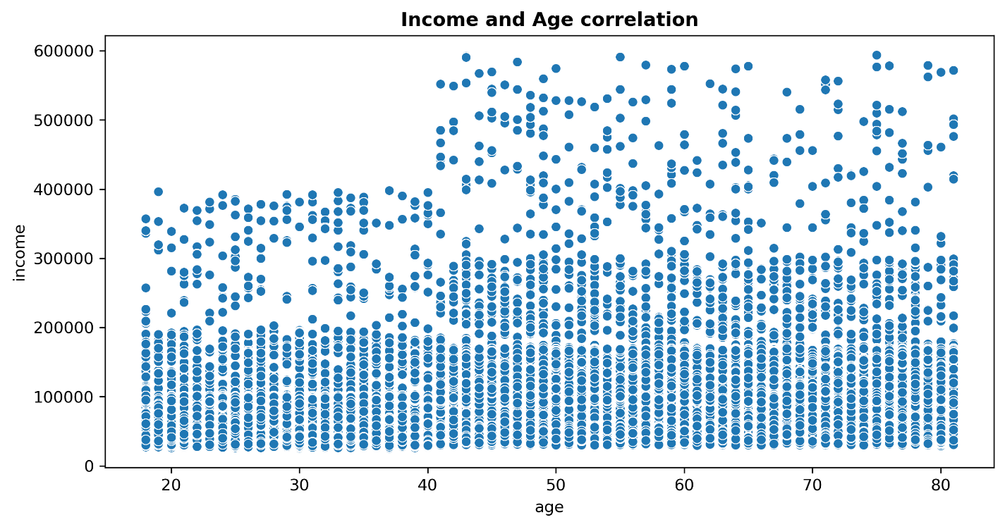

There is a significant difference of spending power between population 40 years old or younger, and the population 41+ years old.

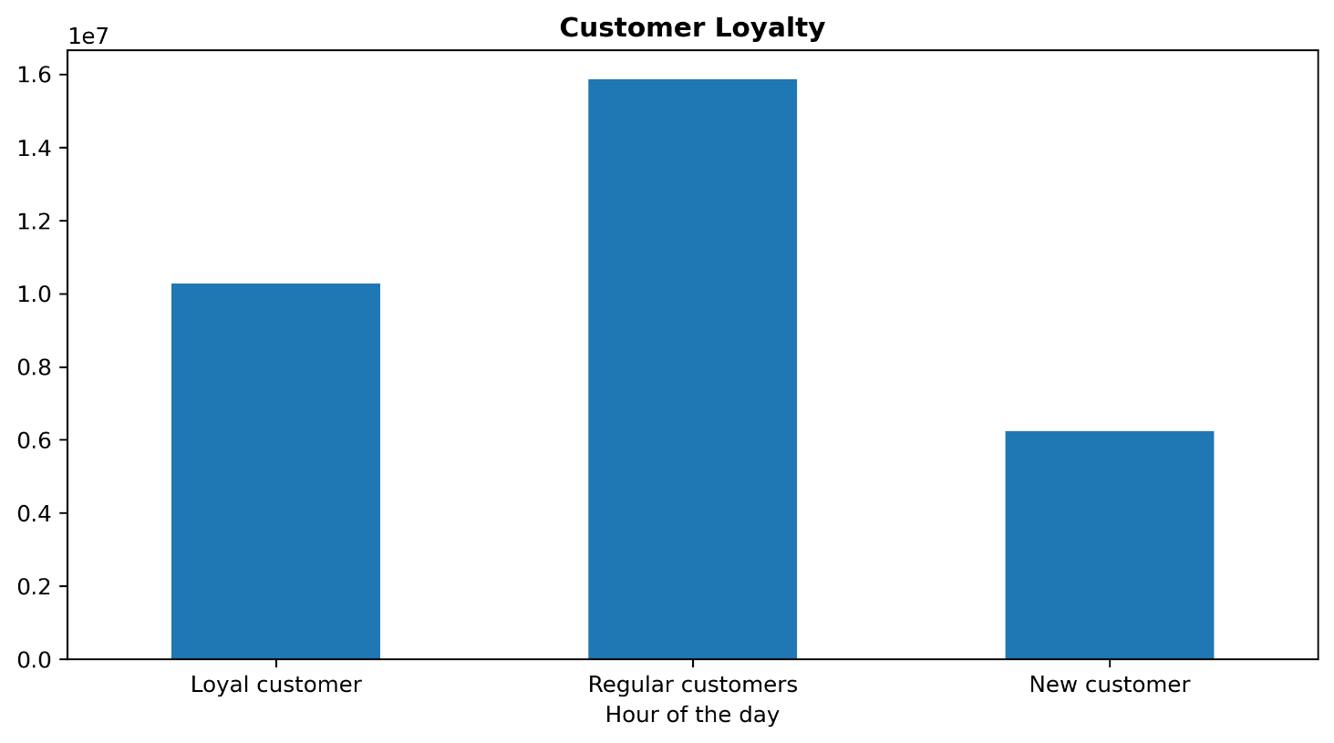

The bigger group based in "loyalty_flag" is:
"Regular customers": 15874128 users.
Follow by "Loyal customer": 10282763 users
and "New customer": 6242841 users
 |  |  |  |  |  |  |  | prices
 |  |  |  |  |  |  |  | loyalty_flag | mean | median | max | min | sum | count

 |  |  |  |  |  |  |  | Loyal customer | 7.773575 | 7.4 | 25 | 1 | 79933825.2 | 10282763
 |  |  |  |  |  |  |  | New customer | 7.801206 | 7.4 | 25 | 1 | 48701689.2 | 6242841
 |  |  |  |  |  |  |  | Regular customers | 7.798262 | 7.4 | 25 | 1 | 123790606.2 | 15874128

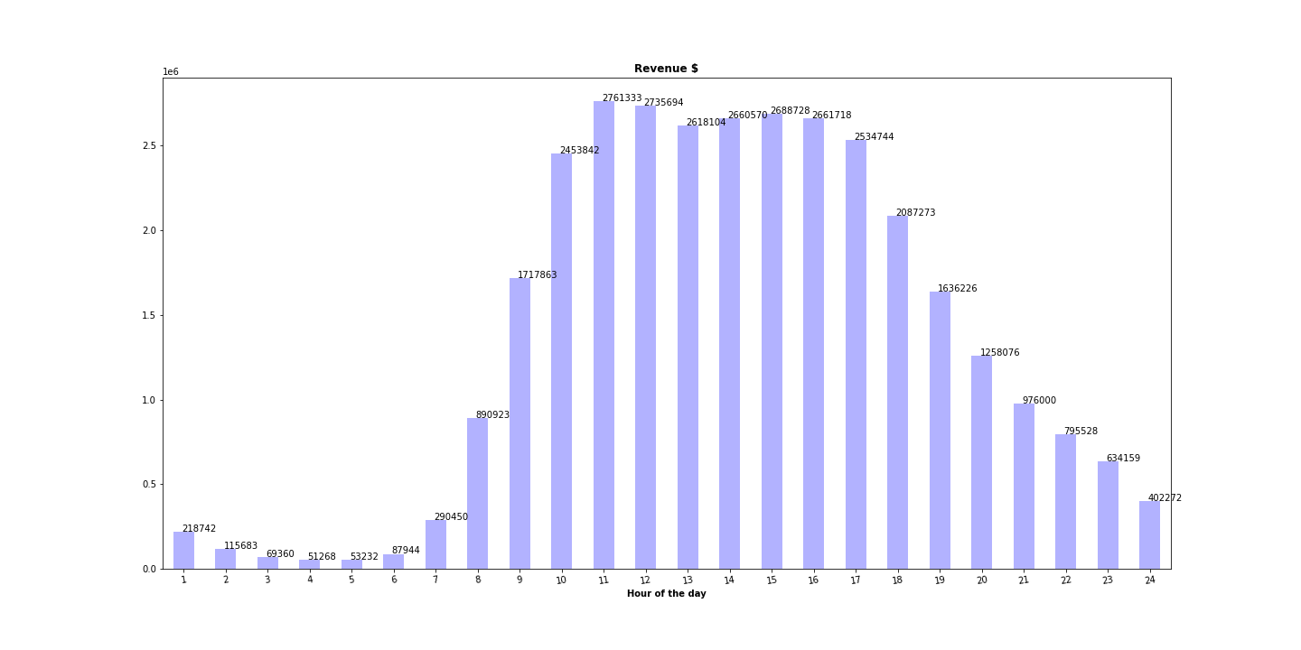
Max revenue is at 11 am 2,761,333.00 $
Min revenue at 4 am
51,268.00 $
Average :
1,349,988.83 $
 |  |  |  | revenue
 |  |  | count | 24
 |  |  | mean | $1,349,988.83
The time with higher percentage in revenue is at 11 am with 9% of the total revenue of the day.
 |  |  | std | $1,078,194.78
 |  |  | min | $51,268.00
 |  |  | 25% | $272,523.00
 |  |  | 50% | $1,117,038.00
 |  |  | 75% | $2,555,584.00
 |  |  | max | $2,761,333.00

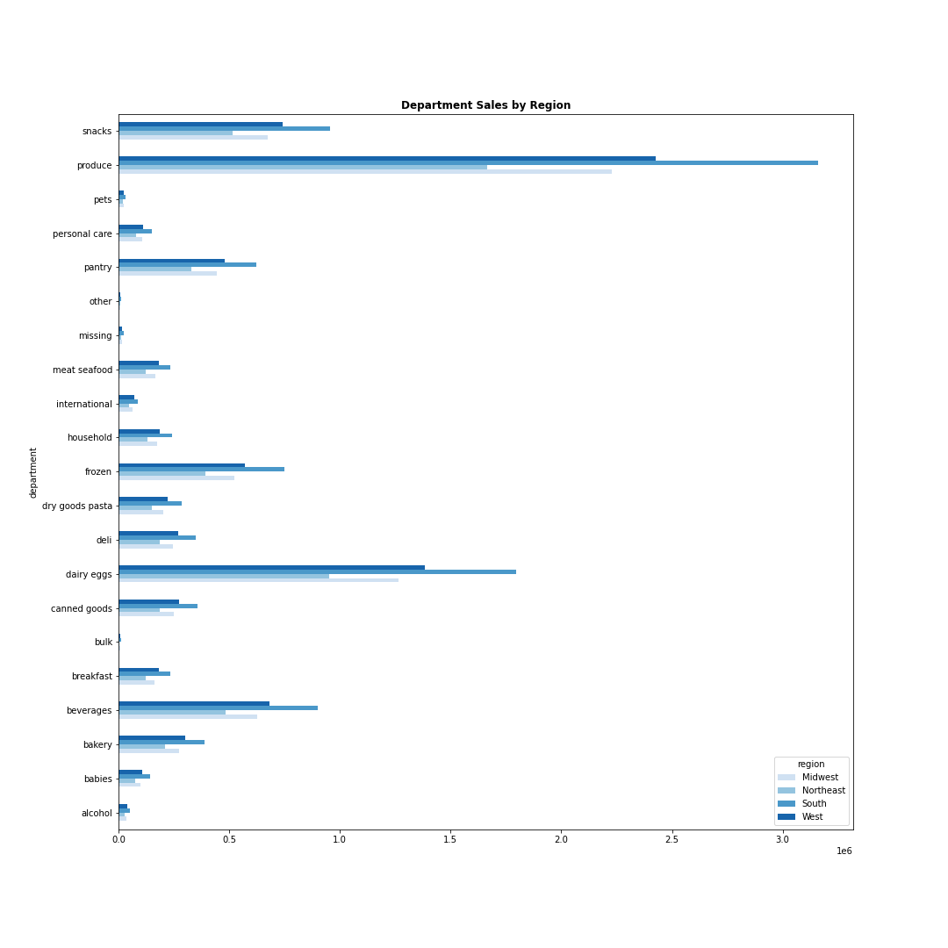

South region is the most profitable :
10790096 Orders
84107910.4 $ in revenue
 |  |  |  | region | total_revenue | Orders
 |  |  |  | Midwest | 59192977.7 | 7596065
 |  |  |  | Northeast | 44530105.8 | 5721892
 |  |  |  | South | 84107910.4 | 10790096
 |  |  |  | West | 64595126.7 | 8291679

Sales from 'produce', 'dairy eggs', and 'snacks' department are the highest in every region.
And
the lowest sales from
'bulk',' 'other', 'pets' and 'alcohol' department the lowest.
The bar shows the greatest amount of orders is done from South region, and the lowest in Northeast.
 |  |  |  |  | Num of orders
 |  |  |  | count | 4
 |  |  |  | mean | 8099933
 |  |  |  | std | 2096243.1041
 |  |  |  | min | 5721892
 |  |  |  | 25% | 7127521.75
 |  |  |  | 50% | 7943872
 |  |  |  | 75% | 8916283.25
 |  |  |  | max | 10790096

In percentile terms the Department "produce"(29%), "dairy eggs"(17%) and "snacks"(9%), represent 58% of the total orders.
 |  |  |  |  | Top 5 |  |  | Bottom 5
 |  | Summary | Orders |  | Department | Num of Orders |  | Department | Num_of_orders
 |  | count | 21 |  | produce | 9479291 |  | alcohol | 153696
 |  | mean | 1542844 |  | dairy eggs | 5393620 |  | pets | 97716
 |  | std | 2229823 |  | snacks | 2887550 |  | missing | 69145
 |  | min | 34573 |  | beverages | 2688123 |  | other | 36291
 |  | 25% | 269253 |  | frozen | 2234743 |  | bulk | 34573
 |  | 50% | 738666
 |  | 75% | 1875369
 |  | max | 9479291

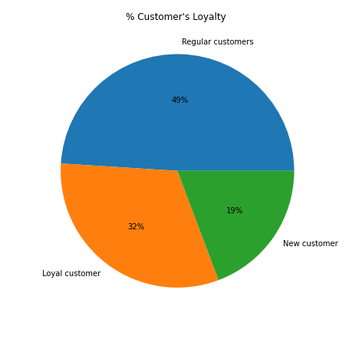

New customers
Less than 10 orders. 19% of the population.
Regular customers
From 10 to 40 orders . 32% of the population.
Loyal customers
More than 40 orders. 49% of the population.
 |  | Summary | loyalty_flag
 |  | count | 3
 |  | mean | 10799911
 |  | std | 4836425
 |  | min | 6242841
 |  | 25% | 8262802
 |  | 50% | 10282763
 |  | 75% | 13078446
 |  | max | 15874128

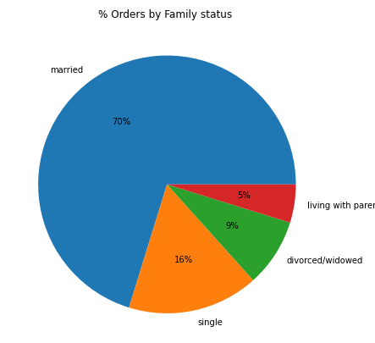

70 % of the purchases are done by married customers.
The smaller group are
5% are categorized as ' living with parents and siblings'
 |  |  | count | mean | std | min | 25% | 50% | 75% | max
 |  |  | Orders
 |  | family_status
 |  | divorced/widowed | 2771355 | 1712214.1318 | 988506.6129 | 25 | 856850 | 1713734 | 2569552 | 3421080
 |  | living with parents and siblings | 1550402 | 1714731.8059 | 988142.52235 | 12 | 856876 | 1717315 | 2571826 | 3421061
 |  | married | 22753055 | 1709932.7173 | 987341.60018 | 2 | 854373 | 1710125 | 2564462 | 3421083
 |  | single | 5324920 | 1712295.2532 | 986238.88013 | 8 | 861779 | 1711674 | 2565752 | 3421077

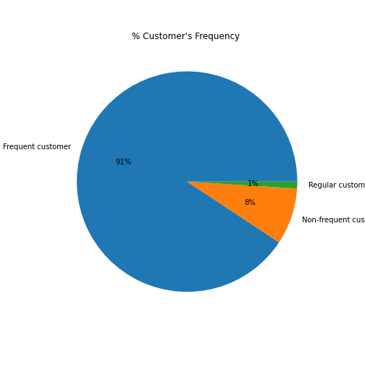

Frequent customers (less than 10 days average between orders) constitute 91% of the sales in Instacart
Non-frequent customers (more than 20 days average between orders
 |  | Customers Frequency | users
 |  | Frequent customer | 29387250
 |  | Non-frequent customer | 2685973
 |  | Regular customer | 326509

 |  |  | frequency_flag
 |  | count | 3
 |  | mean | 10799911
 |  | std | 16140281
 |  | min | 326509
 |  | 25% | 1506241
 |  | 50% | 2685973
 |  | 75% | 16036612
 |  | max | 29387250

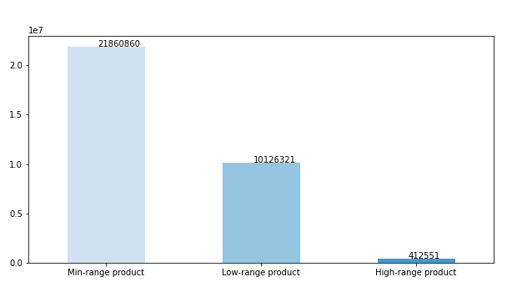

Products categorized has mid_range product by their prices are sold the most.
 |  |  | prices
 |  | label | count | mean | max | min
 |  | High-range product | 412551 | $20.61 | $25.00 | $15.10
 |  | Low-range product | 10126321 | $3.02 | $5.00 | $1.00
 |  | Min-range product | 21860860 | $9.76 | $15.00 | $5.10

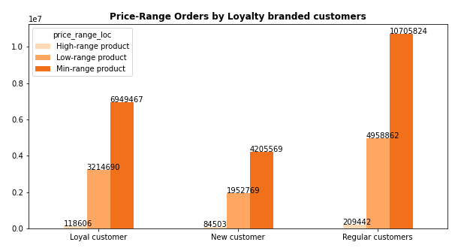

Customers categorized as "regular customers" had bought higher num of product in all three price-range categories
 |  |  |  | High-range product | Low-range product | Min-range product
 |  |  | count | 3 | 3 | 3
 |  |  | mean | 137517 | 3375440.3333 | 7286953.3333
 |  |  | std | 64580.630773 | 1509479.8056 | 3263242.4879
 |  |  | min | 84503 | 1952769 | 4205569
 |  |  | 25% | 101554.5 | 2583729.5 | 5577518
 |  |  | 50% | 118606 | 3214690 | 6949467
 |  |  | 75% | 164024 | 4086776 | 8827645.5
 |  |  | max | 209442 | 4958862 | 10705824

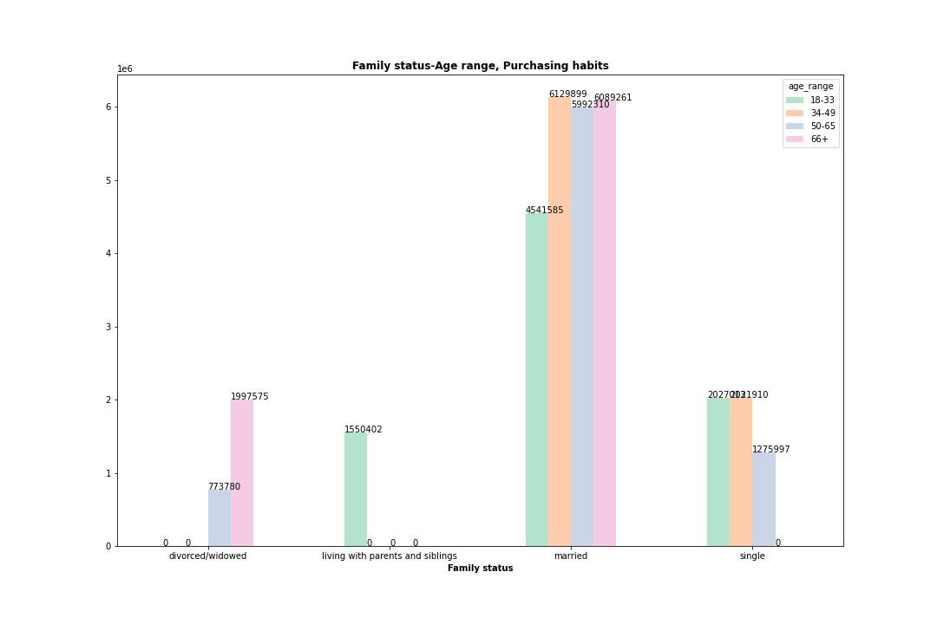

Age-range orders by family status. The bars show that the highest number of orders is being placed by married customers.
However, we observe that there are subgroups that are not reflected in the sales data (values = 0), such as divorced customers between 18 and 49 years old.
This indicates potential errors in data collection or a need for improvement in gathering data to enhance the reliability of the analysis.
 |  |  |  |  | 18-33 | 34-49 | 50-65 | 66+
 |  |  |  | count | 8 | 8 | 8 | 8
 |  |  |  | mean | 1757930 | 1889675 | 1846131 | 1875101
 |  |  |  | std | 1472627 | 2132405 | 1979211 | 2117931
 |  |  |  | min | 0 | 0 | 0 | 0
 |  |  |  | 25% | 872102 | 3 | 435252 | 3
 |  |  |  | 50% | 1836823 | 1524454 | 1517705 | 1510248
 |  |  |  | 75% | 2186227 | 2929488 | 2517785 | 2908037
 |  |  |  | max | 4541585 | 6129899 | 5992310 | 6089261

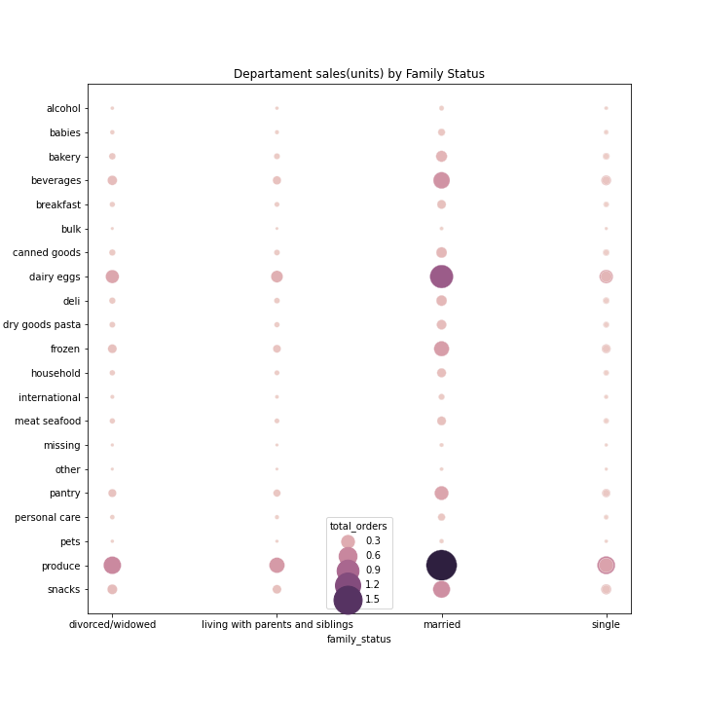

 |  |  |  | Top 10 profiles based on Num of Orders
This scatterplot shows the number of orders by Family status group per Department. The Darker colors represent higher number of orders done by the given group
The most profitable customer profile is:
Married
34-49 years old
Interested on 'Produce' department
The least profitable customer profile is:
Divorce/widowed
50-65 years old
Interested on 'bulk' department
 |  |  |  | department | family_status | age_range | total_orders
 |  |  |  | produce | married | 34-49 | 1797019
 |  |  |  | produce | married | 66+ | 1779857
 |  |  |  | produce | married | 50-65 | 1751348
 |  |  |  | produce | married | 18-33 | 1325994
 |  |  |  | dairy eggs | married | 34-49 | 1026812
 |  |  |  | dairy eggs | married | 66+ | 1011953
 |  |  |  | dairy eggs | married | 50-65 | 984137
 |  |  |  | dairy eggs | married | 18-33 | 761998
 |  |  |  | produce | single | 34-49 | 594798
 |  |  |  | produce | single | 18-33 | 594163

 |  |  |  | Bottom 10 profiles based on Num of Orders

 |  | total_orders |  | department | family_status | age_range | total_orders
 | count | 210 |  | bulk | single | 18-33 | 2108
 | mean | 154284 |  | bulk | divorced/widowed | 66+ | 2009
 | std | 277247 |  | other | living with parents and siblings | 18-33 | 1911
 | min | 756 |  | pets | divorced/widowed | 50-65 | 1772
 | 25% | 17042 |  | bulk | living with parents and siblings | 18-33 | 1674
 | 50% | 54233 |  | missing | divorced/widowed | 50-65 | 1466
 | 75% | 162638 |  | other | single | 50-65 | 1459
 | max | 1797019 |  | bulk | single | 50-65 | 1252
 |  |  |  | other | divorced/widowed | 50-65 | 876
 |  |  |  | bulk | divorced/widowed | 50-65 | 756

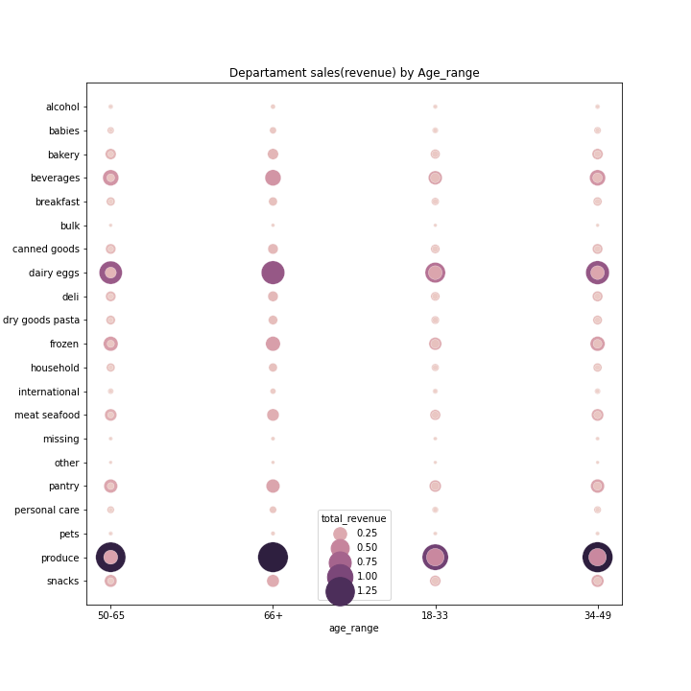

 |  |  |  | Top 10 profiles based on Revenue

The most profitable customer profile is:
Married
34-49 years old
Interested on 'Produce' department
The least profitable customer profile is:
Divorce/widowed
50-65 years old
Interested on 'bulk' department
 |  |  |  | department | family_status | age_range | total_revenue $
 |  |  |  | produce | married | 34-49 | $14,336,560.70
 |  |  |  | produce | married | 66+ | $14,184,659.00
 |  |  |  | produce | married | 50-65 | $13,997,104.50
 |  |  |  | produce | married | 18-33 | $10,562,989.20
 |  |  |  | dairy eggs | married | 34-49 | $8,556,129.90
 |  |  |  | dairy eggs | married | 66+ | $8,442,466.20
 |  |  |  | dairy eggs | married | 50-65 | $8,188,536.90
 |  |  |  | dairy eggs | married | 18-33 | $6,344,552.60
 |  |  |  | produce | single | 34-49 | $4,756,780.10
 |  |  |  | produce | single | 18-33 | $4,738,303.40

 |  |  |  | Bottom 10 profiles based on Revenue

 |  |  |  | department | family_status | age_range | total_revenue $
 |  |  |  | other | single | 18-33 | $15,282.60
 |  | total_revenue |  | other | divorced/widowed | 66+ | $14,873.80
 | count | 210 |  | bulk | living with parents and siblings | 18-33 | $14,637.10
 | mean | $1,202,029.15 |  | pets | divorced/widowed | 50-65 | $13,374.40
 | std | $2,199,845.75 |  | other | living with parents and siblings | 18-33 | $13,321.30
 | min | $6,214.90 |  | missing | divorced/widowed | 50-65 | $12,652.50
 | 25% | $132,977.58 |  | bulk | single | 50-65 | $10,645.20
 | 50% | $463,929.75 |  | other | single | 50-65 | $10,212.70
 | 75% | $1,201,150.08 |  | other | divorced/widowed | 50-65 | $6,259.00
 | max | $14,336,560.70 |  | bulk | divorced/widowed | 50-65 | $6,214.90

There is a 25% of unique entries "Customer, Product, Product count" where a single customer bought more than 260 units of the same Product.

 |  |  |  | product_count
 |  |  | count | 49657
 |  |  | mean | 652
 |  |  | std | 4793
 |  |  | min | 1
 |  |  | 25% | 17
 |  |  | 50% | 60
 |  |  | 75% | 260
 |  |  | max | 472565

There 131 instances "Customer, Product, Product count" where a single customer bought only once a specific product.

7. Recommendations
 |  |  |  |  |  | Title page

Recommendations

In this tab you should include any recommendations you would made to Instcart in terms of their marketing strategy based on the questions posed in the brief. Every key question has been covered in the Tasks of the Exercises - here you need to add an item - a visualisation or table/crosstable that is showing the answer in the data, acompanied by a comment from you. Please, list the questions below and add the answer underneath.

Question |  | Answer

1. The sales team needs to know what the busiest days of the week and hours of the day are (i.e., the days and times with the most orders) in order to schedule ads at times when there are fewer orders.

Busiest days of the week:
Saturday & Sunday
Slowest days of the week:
Tuesday & Wednesday
 |  |  |  |  |  |  |  | Day | orders_day_of_the_week
 |  |  |  |  |  |  |  | Saturday | 6203329
 |  |  |  |  |  |  |  | Sunday | 5659298
 |  |  |  |  |  |  |  | Friday | 4495887
 |  |  |  |  |  |  |  | Monday | 4213105
 |  |  |  |  |  |  |  | Thursday | 4205076
 |  |  |  |  |  |  |  | Tuesday | 3839865
 |  |  |  |  |  |  |  | Wednesday | 3783172

Most of the orders are made between 8 am and 6 pm.
Fewer orders between 10 pm and 6 am.
 |  |  |  |  |  |  | Hours | 10 | 11 | 14 | 15 | 13 | 12 | 16 | 9 | 17 | 8 | 18 | 19 | 20 | 7 | 21 | 22 | 23 | 6 | 0 | 1 | 5 | 2 | 4 | 3
 |  |  |  |  |  |  | Orders | 2761333 | 2735694 | 2688728 | 2661718 | 2660570 | 2618104 | 2534744 | 2453842 | 2087273 | 1717863 | 1636226 | 1258076 | 976000 | 890923 | 795528 | 634159 | 402272 | 290450 | 218742 | 115683 | 87944 | 69360 | 53232 | 51268

2. They also want to know whether there are particular times of the day when people spend the most money, as this might inform the type of products they advertise at these times.

The line chart demonstrate that customers who does their purchase between 4 am and 6 am tend to buy more expensive items.
Customers customers who made the orders between 8 am and 11 am tend to buy cheaper items.
The prices bought between 12 pm and 1 am keeps a fairly stable average price per item ordered of 7.80 approx..

3. Instacart has a lot of products with different price tags. Marketing and sales want to use simpler price range groupings to help direct their efforts.

Products categorized has mid_range product by their prices are sold the most.
 |  |  |  |  |  | prices
 |  |  |  |  | label | count | mean | max | min
 |  |  |  |  | High-range product | 412551 | $20.61 | $25.00 | $15.10
 |  |  |  |  | Low-range product | 10126321 | $3.02 | $5.00 | $1.00
 |  |  |  |  | Min-range product | 21860860 | $9.76 | $15.00 | $5.10

4. Are there certain types of products that are more popular than others? The marketing and sales teams want to know which departments have the highest frequency of product orders.

In percentile terms the Department:
"produce"(29%), "dairy eggs"(17%) "snacks"(9%), represent 58% of the total orders.
 |  |  |  |  |  |  | Top 5
 |  |  |  |  |  |  | Department | Num of Orders
 |  |  |  |  |  |  | produce | 9479291
 |  |  |  | Summary | Orders |  | dairy eggs | 5393620
 |  |  |  | count | 21 |  | snacks | 2887550
 |  |  |  | mean | 1542844 |  | beverages | 2688123
 |  |  |  | std | 2229823 |  | frozen | 2234743
 |  |  |  | min | 34573
 |  |  |  | 25% | 269253 |  | Bottom 5
 |  |  |  | 50% | 738666 |  | Department | Num_of_orders
 |  |  |  | 75% | 1875369 |  | alcohol | 153696
 |  |  |  | max | 9479291 |  | pets | 97716
 |  |  |  |  |  |  | missing | 69145
 |  |  |  |  |  |  | other | 36291
 |  |  |  |  |  |  | bulk | 34573

The departments with the lowest popularity "bulk, pets, alcohol, International, and babies"

5a. What’s the distribution among users in regards to their brand loyalty (i.e., how often do they return to Instacart)?

 |  |  |  | Customers Frequency | users
 |  |  |  | Frequent customer | 29387250
 |  |  |  | Non-frequent customer | 2685973
Frequent customers (less than 10 days average between orders) constitute 91% of the sales in Instacart
Non-frequent customers (more than 20 days average between orders
 |  |  |  | Regular customer | 326509

 |  |  |  |  | Users

 |  |  |  | mean | 10799911
 |  |  |  | std | 16140281
 |  |  |  | min | 326509
 |  |  |  | 25% | 1506241
 |  |  |  | 50% | 2685973
 |  |  |  | 75% | 16036612
 |  |  |  | max | 29387250

5b. Are there differences in ordering habits based on a customer’s loyalty status?

Customers categorized as "regular customers" had bought higher num of product in all three price-range categories
 |  |  |  |  |  | High-range product | Low-range product | Min-range product
 |  |  |  |  | count | 3 | 3 | 3
 |  |  |  |  | mean | 137517 | 3375440.3333 | 7286953.3333
 |  |  |  |  | std | 64580.630773 | 1509479.8056 | 3263242.4879
 |  |  |  |  | min | 84503 | 1952769 | 4205569
 |  |  |  |  | 25% | 101554.5 | 2583729.5 | 5577518
 |  |  |  |  | 50% | 118606 | 3214690 | 6949467
 |  |  |  |  | 75% | 164024 | 4086776 | 8827645.5
 |  |  |  |  | max | 209442 | 4958862 | 10705824

5c. Are there differences in ordering habits based on a customer’s region?

South region is the most profitable :
10790096 Orders
84107910.4 $ in revenue
 |  |  |  |  |  | region | total_revenue | Orders
 |  |  |  |  |  | Midwest | 59192977.7 | 7596065
 |  |  |  |  |  | Northeast | 44530105.8 | 5721892
 |  |  |  |  |  | South | 84107910.4 | 10790096
 |  |  |  |  |  | West | 64595126.7 | 8291679

Sales from 'produce', 'dairy eggs', and 'snacks' department are the highest in every region.
And
the lowest sales from
'bulk',' 'other', 'pets' and 'alcohol' department the lowest.
The bar shows the greatest amount of orders is done from South region, and the lowest in Northeast.
 |  |  |  |  |  |  | Num of orders
 |  |  |  |  |  | count | 4
 |  |  |  |  |  | mean | 8099933
 |  |  |  |  |  | std | 2096243.1041
 |  |  |  |  |  | min | 5721892
 |  |  |  |  |  | 25% | 7127521.75
 |  |  |  |  |  | 50% | 7943872
 |  |  |  |  |  | 75% | 8916283.25
 |  |  |  |  |  | max | 10790096

5d. Is there a connection between age and family status in terms of ordering habits?

Age-range orders by family status. The bars show that the highest number of orders is being placed by married customers.
However, we observe that there are subgroups that are not reflected in the sales data (values = 0), such as divorced customers between 18 and 49 years old.
This indicates potential errors in data collection or a need for improvement in gathering data to enhance the reliability of the analysis.
 |  |  |  |  |  |  | 18-33 | 34-49 | 50-65 | 66+
 |  |  |  |  |  | count | 8 | 8 | 8 | 8
 |  |  |  |  |  | mean | 1757930 | 1889675 | 1846131 | 1875101
 |  |  |  |  |  | std | 1472627 | 2132405 | 1979211 | 2117931
 |  |  |  |  |  | min | 0 | 0 | 0 | 0
 |  |  |  |  |  | 25% | 872102 | 3 | 435252 | 3
 |  |  |  |  |  | 50% | 1836823 | 1524454 | 1517705 | 1510248
 |  |  |  |  |  | 75% | 2186227 | 2929488 | 2517785 | 2908037
 |  |  |  |  |  | max | 4541585 | 6129899 | 5992310 | 6089261

5e. What differences can you find in ordering habits of different customer profiles? Consider the price of orders, the frequency of orders, the products customers are ordering, and anything else you can think of.

 |  |  |  |  |  | Top 10 profiles based on Num of Orders
This scatterplot shows the number of orders by Family status group per Department. The Darker colors represent higher number of orders done by the given group
The most profitable customer profile is:
Married
34-49 years old
Interested on 'Produce' department
The least profitable customer profile is:
Divorce/widowed
50-65 years old
Interested on 'bulk' department
 |  |  |  |  |  | department | family_status | age_range | total_orders
 |  |  |  |  |  | produce | married | 34-49 | 1797019
 |  |  |  |  |  | produce | married | 66+ | 1779857
 |  |  |  |  |  | produce | married | 50-65 | 1751348
 |  |  |  |  |  | produce | married | 18-33 | 1325994
 |  |  |  |  |  | dairy eggs | married | 34-49 | 1026812
 |  |  |  |  |  | dairy eggs | married | 66+ | 1011953
 |  |  |  |  |  | dairy eggs | married | 50-65 | 984137
 |  |  |  |  |  | dairy eggs | married | 18-33 | 761998
 |  |  |  |  |  | produce | single | 34-49 | 594798
 |  |  |  |  |  | produce | single | 18-33 | 594163

 |  |  |  |  |  | Bottom 10 profiles based on Num of Orders

 |  |  |  | total_orders |  | department | family_status | age_range | total_orders
 |  |  | count | 210 |  | bulk | single | 18-33 | 2108
 |  |  | mean | 154284 |  | bulk | divorced/widowed | 66+ | 2009
 |  |  | std | 277247 |  | other | living with parents and siblings | 18-33 | 1911
 |  |  | min | 756 |  | pets | divorced/widowed | 50-65 | 1772
 |  |  | 25% | 17042 |  | bulk | living with parents and siblings | 18-33 | 1674
 |  |  | 50% | 54233 |  | missing | divorced/widowed | 50-65 | 1466
 |  |  | 75% | 162638 |  | other | single | 50-65 | 1459
 |  |  | max | 1797019 |  | bulk | single | 50-65 | 1252
 |  |  |  |  |  | other | divorced/widowed | 50-65 | 876
 |  |  |  |  |  | bulk | divorced/widowed | 50-65 | 756

 |  |  |  |  |  | Top 10 profiles based on Revenue

The most profitable customer profile is:
Married
34-49 years old
Interested on 'Produce' department
The least profitable customer profile is:
Divorce/widowed
50-65 years old
Interested on 'bulk' department
 |  |  |  |  |  | department | family_status | age_range | total_revenue $
 |  |  |  |  |  | produce | married | 34-49 | $14,336,560.70
 |  |  |  |  |  | produce | married | 66+ | $14,184,659.00
 |  |  |  |  |  | produce | married | 50-65 | $13,997,104.50
 |  |  |  |  |  | produce | married | 18-33 | $10,562,989.20
 |  |  |  |  |  | dairy eggs | married | 34-49 | $8,556,129.90
 |  |  |  |  |  | dairy eggs | married | 66+ | $8,442,466.20
 |  |  |  |  |  | dairy eggs | married | 50-65 | $8,188,536.90
 |  |  |  |  |  | dairy eggs | married | 18-33 | $6,344,552.60
 |  |  |  |  |  | produce | single | 34-49 | $4,756,780.10
 |  |  |  |  |  | produce | single | 18-33 | $4,738,303.40

 |  |  |  |  |  | Bottom 10 profiles based on Revenue

 |  |  |  |  |  | department | family_status | age_range | total_revenue $
 |  |  |  |  |  | other | single | 18-33 | $15,282.60
 |  |  |  | total_revenue |  | other | divorced/widowed | 66+ | $14,873.80
 |  |  | count | 210 |  | bulk | living with parents and siblings | 18-33 | $14,637.10
 |  |  | mean | $1,202,029.15 |  | pets | divorced/widowed | 50-65 | $13,374.40
 |  |  | std | $2,199,845.75 |  | other | living with parents and siblings | 18-33 | $13,321.30
 |  |  | min | $6,214.90 |  | missing | divorced/widowed | 50-65 | $12,652.50
 |  |  | 25% | $132,977.58 |  | bulk | single | 50-65 | $10,645.20
 |  |  | 50% | $463,929.75 |  | other | single | 50-65 | $10,212.70
 |  |  | 75% | $1,201,150.08 |  | other | divorced/widowed | 50-65 | $6,259.00
 |  |  | max | $14,336,560.70 |  | bulk | divorced/widowed | 50-65 | $6,214.90

 | Base in the imput generated in both scatterlot It's noticeable the low participation or amount of orders by: Unmarried user between 50 and 65 year old, customers who lives with their parents and siblings.

There is a 25% of unique entries "Customer, Product, Product count" where a single customer bought more than 260 units of the same Product.

 |  |  |  |  |  | product_count
 |  |  |  |  | count | 49657
 |  |  |  |  | mean | 652
 |  |  |  |  | std | 4793
 |  |  |  |  | min | 1
 |  |  |  |  | 25% | 17
 |  |  |  |  | 50% | 60
 |  |  |  |  | 75% | 260
 |  |  |  |  | max | 472565

There are 131 instances "Customer, Product, Product count" where a single customer bought only once a specific product.

 | In the case of customers who bought more than 260 units of the same item, it worth considering a bussiness strategy to increase the sales focused in B2B market.

 | There are 131 instances "Customer, Product, Product count" where a single customer bought only once a specific product further studies is recommended to determine: if the price is correct according to the current market, or questioning the quaility of the given items.

